Sheet1
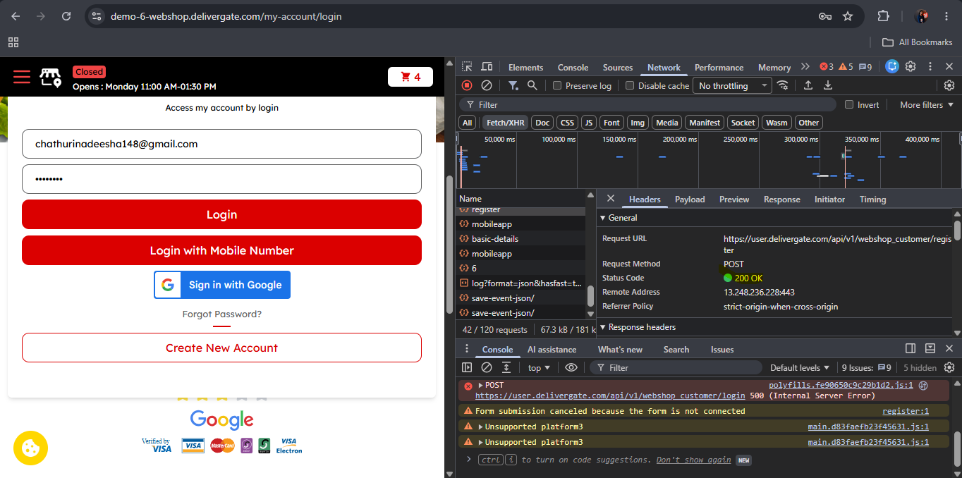
Test Case ID | Flow / Endpoint | Method | Request Details | Expected Status / Response | Actual Result | Notes / Evidence
TC-001 | Verify API behaviour when sign up with valid credentials | POST | https://user.delivergate.com/api/v1/webshop_customer/register | Ststus code is 201 Created to indicate that new resource is created | API response return 200 OK status code

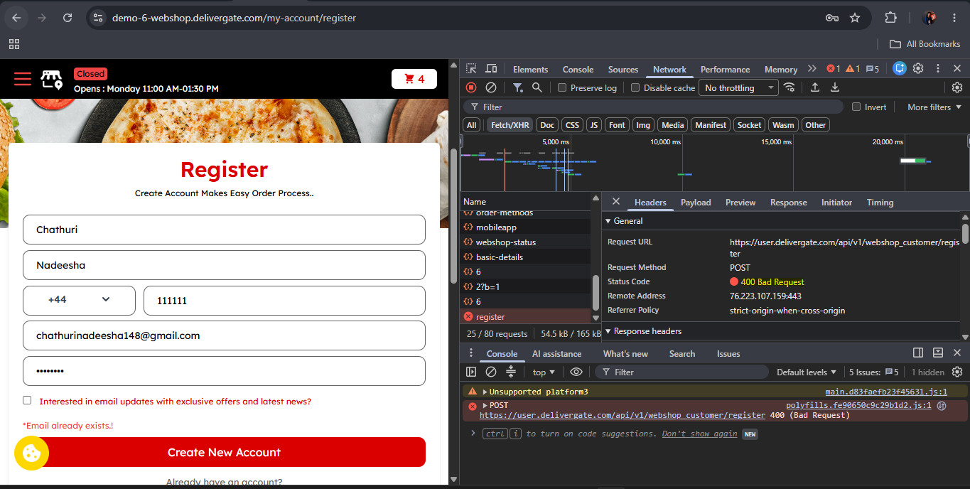
TC-002 | Verify API behaviour when sign up with valid credentials | POST | https://user.delivergate.com/api/v1/webshop_customer/register | Response should return error message with error code | Response return 400 Bad request Error

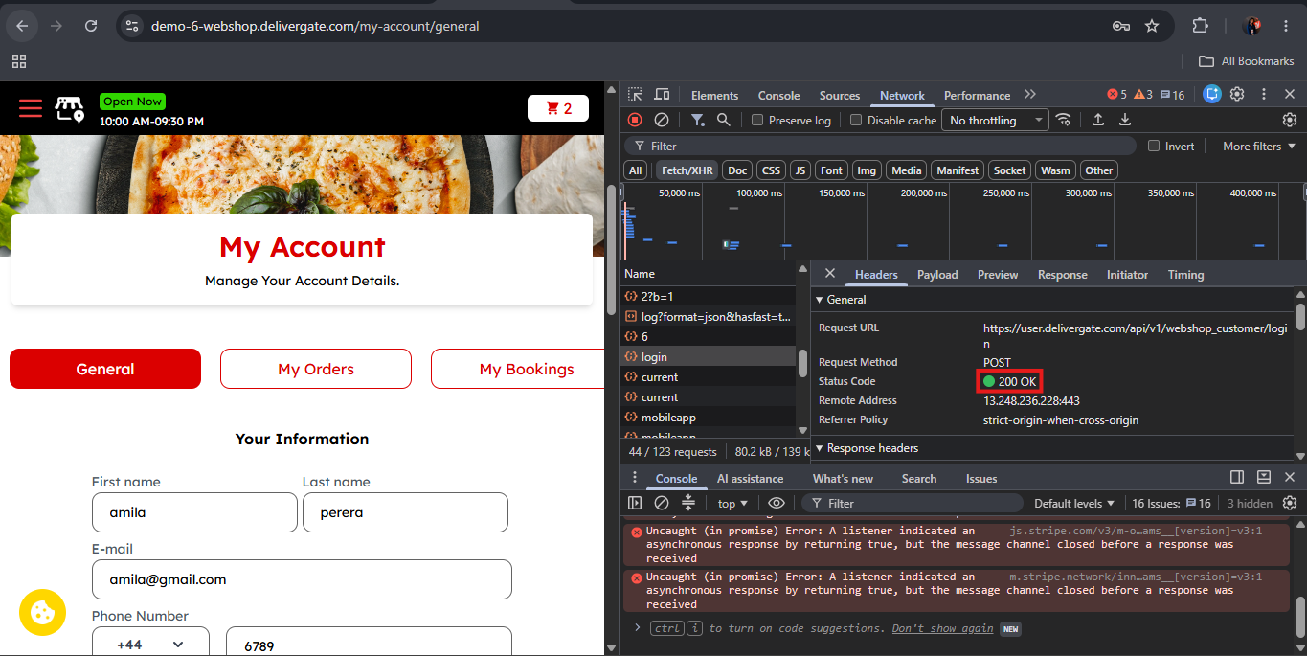
TC-003 | Verify API behaviour when login with valid credentials | POST | https://user.delivergate.com/api/v1/webshop_customer/login | Status should be success and response should return success message | Response returns success status code 200 OK

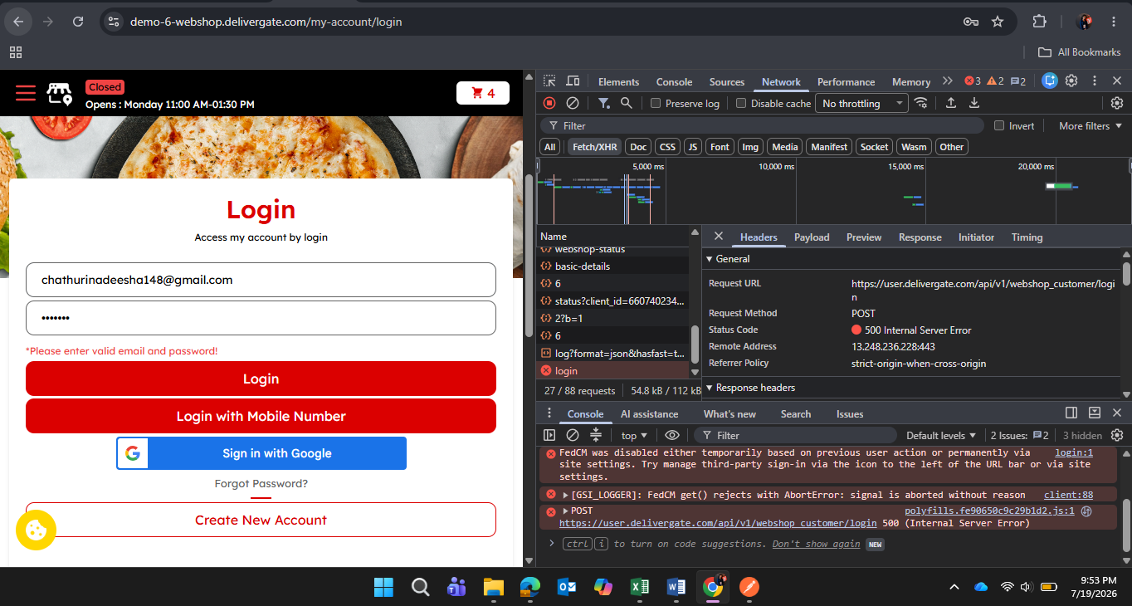
TC-004 | Verify API behaviour when login with invalid credentials | GET | https://user.delivergate.com/api/v1/webshop_customer/login | Status code should be 401 and response should display error that the action is Unauthorized | API response return that Internal Server Error and status code is 500

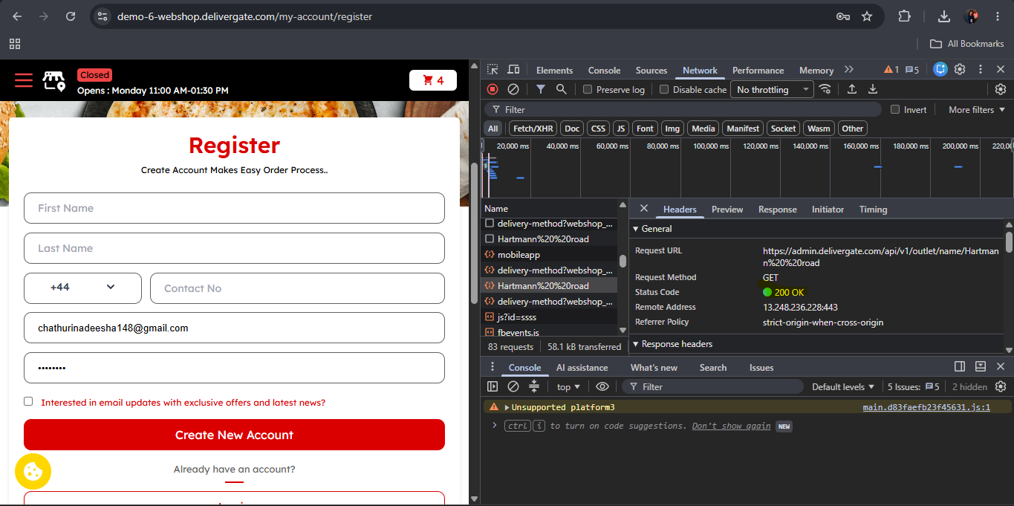
TC-005 | Verify API behaviour when user select an available outlet and navigate to the correct outlet page | GET | https://admin.delivergate.com/api/v1/outlet/name/Hartmann%20%20road | Status should be success and response should return success message when loads selected outlet page | Response returns success status code 200 OK

